BULLDOZER
No | Nama Asset | Tahun | SN/ Pelat Kendaraan | Kapasitas | Kode Unit | DOKUMENTASI
 |  |  |  |  |  | DEPAN | SAMPING KIRI | SAMPING KANAN | BELAKANG
C | BULLDOZER
1 | Bulldozer Caterpillar D6G | 2008 | P6G00163 | 160 HP | Dozer 01 | 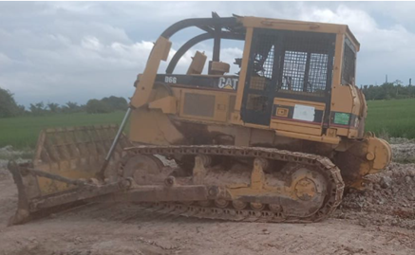 | 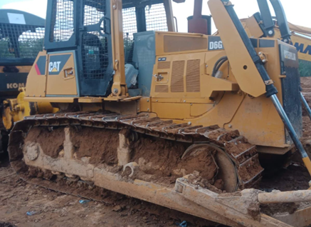
2 | Bulldozer Komatsu D70LE-8 | 2005 | J11178 | 185 HP | Dozer 02 | 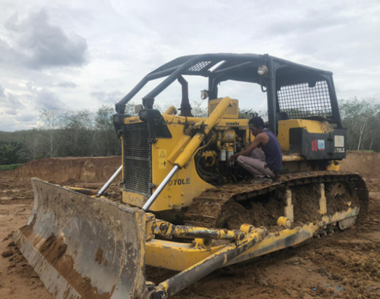 | 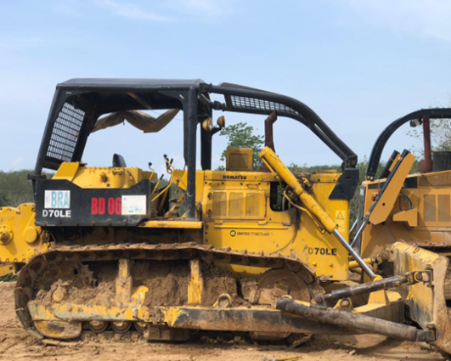
3 | Bulldozer Caterpillar D6G 2XL | 2012 | P6G01656 | 160 HP | 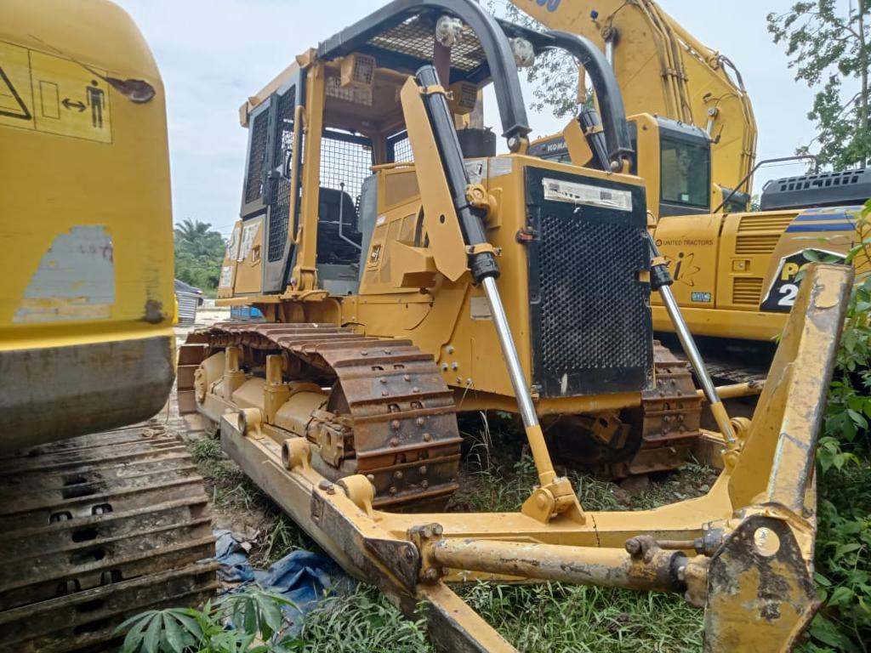 Dozer 03 |  | 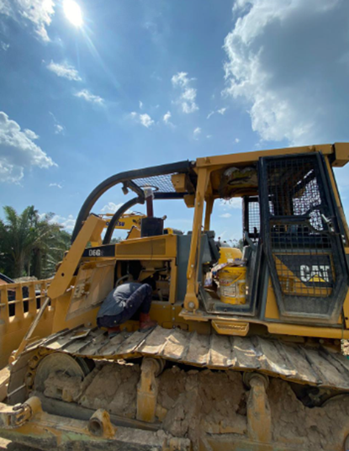 | 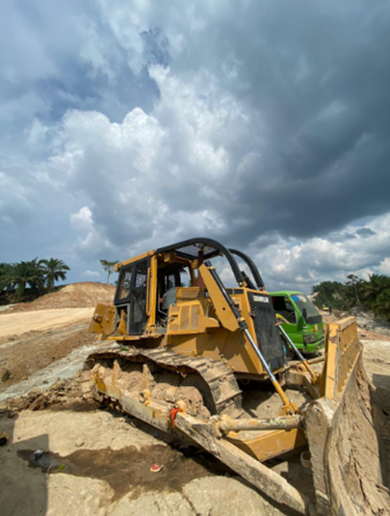
4 | Bulldozer D85E SS | 2012 | J16298 | 215 HP | Dozer 04
5 | Bulldozer Caterpillar D6G 2XL | 2012 | P6G01529 | 160 HP | 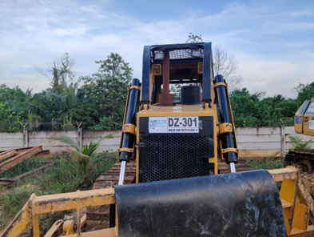 Dozer 05 | 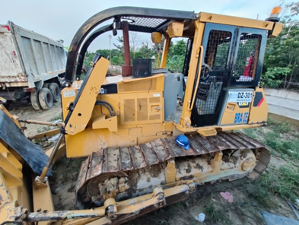 | 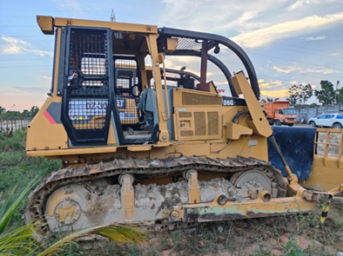
6 | Bulldozer Caterpillar D6R | 2011 | S6X00348 | 200 HP | Dozer 06
7 | Bulldozer D7G2 | 2010 | 7MB05410 | 200 HP | Dozer 07

